Table 20
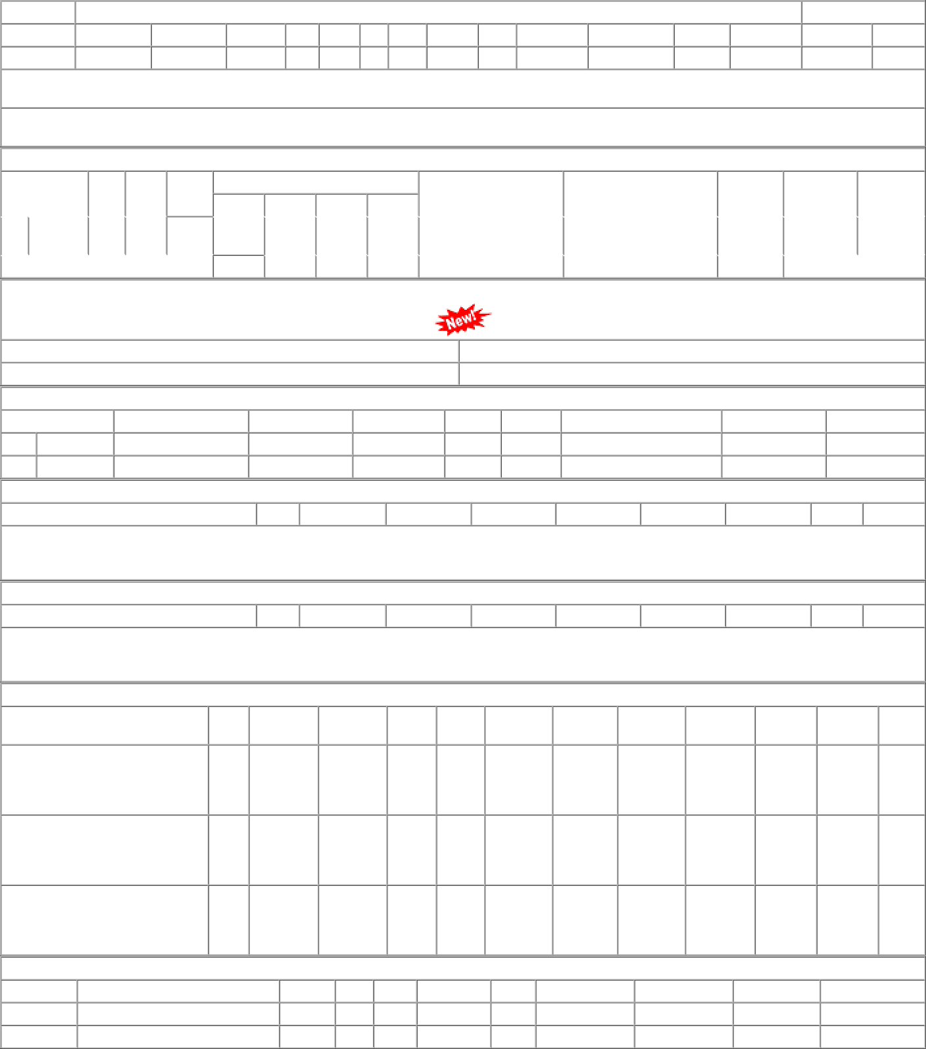
1 of 1 02-01-2023, 12:04

